CEA-Data
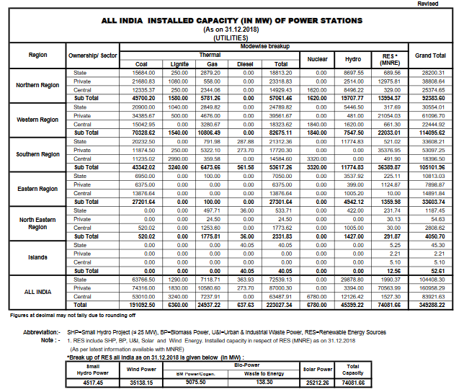
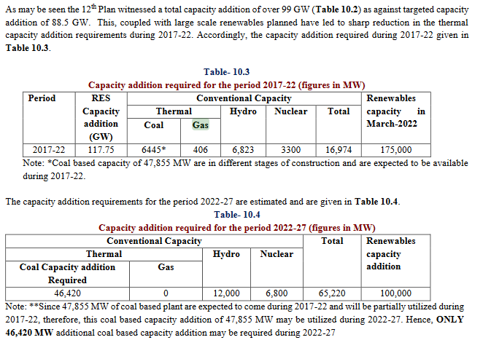

 |  | pp 10.2
 |  | http://www.cea.nic.in/reports/committee/nep/nep_jan_2018.pdf

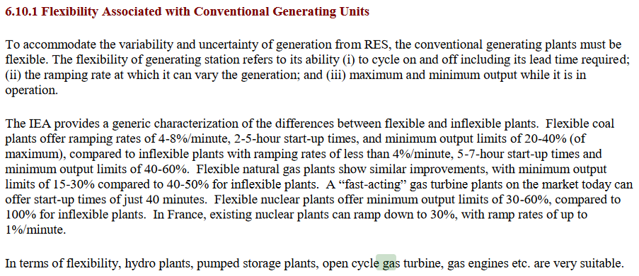

http://www.cea.nic.in/reports/monthly/installedcapacity/2018/installed_capacity-12.pdf

 | pp 6.19
 | http://www.cea.nic.in/reports/committee/nep/nep_jan_2018.pdf

 | pp 8.5
 | http://www.cea.nic.in/reports/committee/nep/nep_jan_2018.pdf

